Data
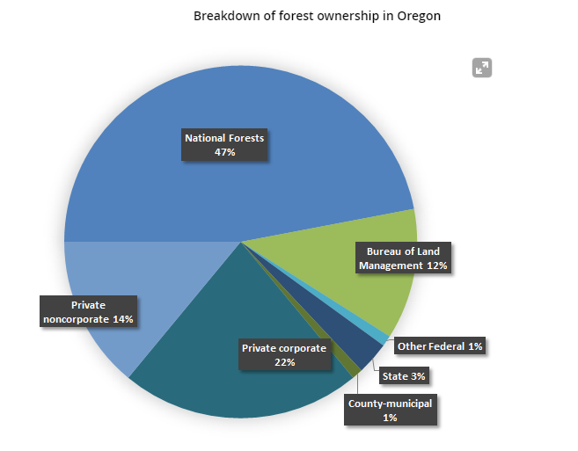
Ownership of Forest Land

National Forests | 0.47
Bureau of Land Mgmt. | 0.12
Other Federal | 0.01
State | 0.03
County-Municipal | 0.01

Private Corporate | 0.22

Private Noncorporate | 0.14

Government share | 0.64
Consumers/households | 0.14
Industry | 0.22

total | 1.00

